Guidance
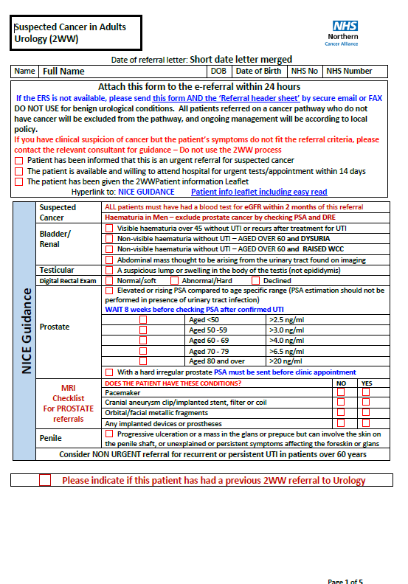
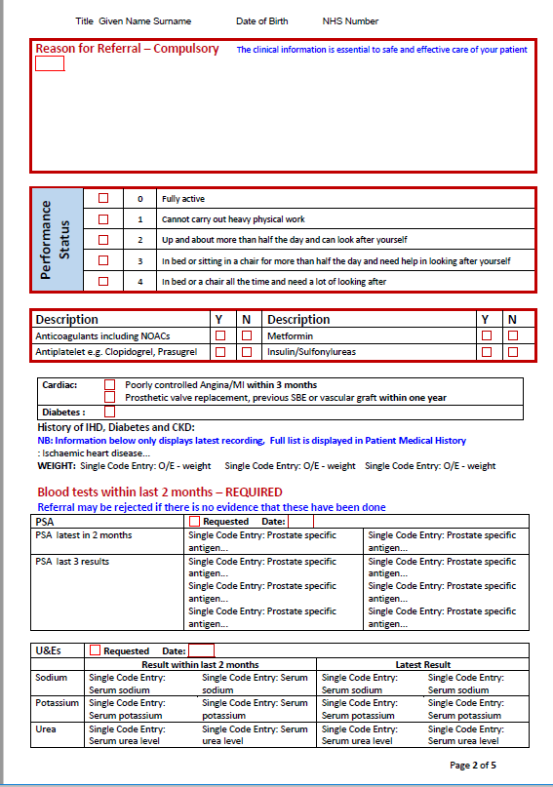
Guidance Notes
The audit is designed to review the completeness of 2ww referral forms submitted between the 1/04/2020 to 1/03/201 for the following specialities; Breast , Head and Neck, Upper GI , Lower GI and Urology.
All fields should be completed and there are several drop down boxes featured on the excel spreadsheet to make the process quicker.
Mandatory fields on the 2ww referral forms refers to all those sections that are highlighted in red on the form. Please see opposite for an example.
The NG12 Section - asks the reviewer to make a retrospective assessment as to whether the clinical information provided on the form does in fact meet NICE Guidance criteria.
With the comments please add your observations as to what improvements could have been made / the learning. Plus highlight any recurring themes.

